1. Title Page
Instacart Grocery Basket Analysis

Project Name: Instacart Grocery Basket Analysis
Date: 12.05.2024
Analyst Name: Andre Nedvidek

Contents:
Population Flow
Consistency checks
Wrangling steps
Column derivations
Visualizations
Recommendations

2. Population Flow
Title page

Population flow

Exclusion flag
Condition: max_order <
Obervations to be removed:
Final total count of order_products_all:

Orders_products_combined
Orders_products_merged
Orders_products_all

Total:32404870 rows/ 16 columns
Total: 32434489 rows/ 12 columns
Total:32404870 rows/ 37 columns

1.) The grey boxes in the first row of the population flow represent the original data sets as they were when you downloaded them. In the Total fields you need to add the count of the rows when you imported the data set into Jupyter.
2.) The second row of boxes (coloured) represents the data sets after you manipulated them, e.g., removed missing values and duplicates. In the Total fields you need to add the count of the rows after conducting these operations. This offers a visual oveview of how the data flows throughout the data consistency checks.
3.) The third row, where also the arrows are coloured, represents the merges you performed between the datasets. In the Total fields you need to add the count of the rows in the merged datasets, so that you end up with the final dataset (in the red box). Keep in mind the final dataset should be without exclusions (based on the exclusion flag).

3. Consistency checks
 |  |  |  |  | Title page
Consistency checks

Dataset | Missing values | Missing values treatment | Duplicates | Dupicate values treatment
orders
products | 16 | droped them | 5 duplicate rows | droped them
orders_products_prior
customers

4. Wrangling steps
 |  |  |  |  | Title page
Wrangling steps

DataFrame | Columns dropped | Columns renamed | Columns' type changed | Comment/Reason
orders |  |  | order_id' to str | The number in the Column is a identifier and not to be used for calculations
orders |  |  | order_number' to str | The number in the Column is a identifier and not to be used for calculations
orders |  | order_dow' to 'order_day_of_week' |  | This makes it clearer to the reader what the column is refering to
customer |  | Surnam' to 'Last Name' |  | This makes it clearer to the reader what the column is refering to
customer |  | STATE' to 'state' |  | This makes it clearer to the reader what the column is refering to
customer |  | n_dependants' tp 'nr_dependants' |  | This makes it clearer to the reader what the column is refering to
customer |  | fam_status' to 'family status' |  | This makes it clearer to the reader what the column is refering to
customer |  |  | user_id' to str
prepeared_data_total | Last Name |  |  | Droped due to PII concerns
prepeared_data_total | low_activity_flag |  |  | I Wanted to creat a column that tells me if the customer is low activity or not so I can drop the low activity customer
department_id | droped first row |  |  | droped first row becouse dataframe actually starts in row 2
department_id |  |  | turned department_id into int

5. Column derivations
 |  |  |  | Title page

Column derivations and aggregations

In this tab you should add tables below that the frequences of flags/label variables that you produced after deriving them. NB: don't do this for continuous variables, only for flags.
Dataset | New column | Column/s it was derived from | Conditions
orders_wrangled
Orders_products_merged | price_range_loc | using the price column and a if function to creat column | if row ['prices'] <=5: return 'Low Rang Product' elif (row ['prices'] >5) and (row ['prices'] <=15): return 'Medium Rang Product' elif row ['prices'] >15: return 'High Rang Product'
 | busiest_day | using the orders_day_of_week column and a if function to creat column | for value in ords_prods_merge["orders_day_of_week"]: if value == 0: result.append("Busiest day") elif value == 4: result.append("Least busy") else: result.append("Regularly busy")
 | order_hour_of_day_loc | using the order_hour_of_day column in combination with loc to creat a new column | ords_prods_merge.loc[ords_prods_merge['order_hour_of_day'].isin([9,10,11,12,13,14,15]), 'order_hour_of_day_loc'] = 'busiest period of day' ords_prods_merge.loc[ords_prods_merge['order_hour_of_day'].isin([7,8,17,18,19,20,21,22]), 'order_hour_of_day_loc'] = 'medium busy period of day' ords_prods_merge.loc[ords_prods_merge['order_hour_of_day'].isin([23,0,1,2,3,4,5,6]), 'order_hour_of_day_loc'] = 'not busy period of day'
 | max_order | using the User_Id and oder_number in combination with max to get the highest order number per customer | ords_prods_merge['max_order'] = ords_prods_merge.groupby(['user_id'])['order_number'].transform('max')
 | loyalty_flag | creathing a flag for a customers order volumne buy using the max_order and loc | ords_prods_merge.loc[ords_prods_merge['max_order'] > 40, 'loyalty_flag'] = 'Loyal customer' ords_prods_merge.loc[(ords_prods_merge['max_order'] <= 40) & (ords_prods_merge['max_order'] > 10), 'loyalty_flag'] = 'Regular customer' ords_prods_merge.loc[ords_prods_merge['max_order'] <= 10, 'loyalty_flag'] = 'New customer'
 | spend_ave | using price and and User_id to find average spend per customer | ords_prods_merge['spend_ave'] = ords_prods_merge.groupby(['user_id'])['prices'].transform('mean')
 | spender_typ | creating a new flag called spender_typ based on with loc and spend ave | ords_prods_merge.loc[ords_prods_merge['spend_ave'] < 10, 'spender_typ'] = str('low_spender') ords_prods_merge.loc[ords_prods_merge['spend_ave'] >= 10, 'spender_typ'] = str('high_spender')
 | customer_freq | a new column that categorizes customers based on there average frequenzy | ords_prods_merge.loc[ords_prods_merge['frequency_ave'] >20, 'customer_freq'] = str('Non-frequent customer') ords_prods_merge.loc[(ords_prods_merge['frequency_ave'] > 10) & (ords_prods_merge['frequency_ave'] <= 20), 'customer_freq'] = str('Regular customer') ords_prods_merge.loc[ords_prods_merge['frequency_ave'] <=10, 'customer_freq'] = str('Frequent customer') ords_prods_merge[['user_id','frequency_ave', 'customer_freq', 'spend_ave','spender_typ']].head(60)
prepeared_data_total | Region | Used the column state and us rigions form Wiki | result = [] for value in prepared_data_total["state"]: if value in ('Maine', 'New Hampshire', 'Vermont', 'Massachusetts', 'Rhode Island', 'Connecticut', 'New York', 'Pennsylvania', 'New Jersey'): result.append("Northeast") elif value in ('Wisconsin', 'Michigan', 'Illinois', 'Indiana', 'Ohio', 'North Dakota', 'South Dakota', 'Nebraska', 'Kansas', 'Minnesota', 'Iowa', 'Missouri'): result.append("Midwest") elif value in ('Delaware', 'Maryland', 'District of Columbia', 'Virginia', 'West Virginia', 'North Carolina', 'South Carolina', 'Georgia', 'Florida', 'Kentucky', 'Tennessee', 'Mississippi', 'Alabama', 'Oklahoma', 'Texas', 'Arkansas', 'Louisiana'): result.append("South") elif value in ('Idaho', 'Montana', 'Wyoming', 'Nevada', 'Utah', 'Colorado', 'Arizona', 'New Mexico', 'Alaska', 'Washington', 'Oregon', 'California', 'Hawaii'): result.append("West") else: result.append("Unknown")
 | low_activity_flag | max_order | prepared_data_total_drop.loc[prepared_data_total['max_order'] < 5, 'low_activity_flag'] = 'need_to_be_dropped'
 | Age_flag | used Age Column to separate customer into three different age categories | result_2 = [] for value in prepared_data_total["Age"]: if value <= 30: result_2.append("Young Adult") elif 30 < value <= 65: result_2.append("Middle Age Adult") elif value > 65: result_2.append("Senior") else: result_2.append("N/A")
 | income_flag | used income Column to separate customer into four different income categories | prepared_data_total.loc[prepared_data_total['income'] < 35000, 'income_flag'] = 'Low Income' prepared_data_total.loc[(prepared_data_total['income'] >= 35000) & (prepared_data_total['income'] < 75000), 'income_flag'] = 'Medium Income' prepared_data_total.loc[(prepared_data_total['income'] >= 75000) & (prepared_data_total['income'] < 150000), 'income_flag'] = 'High Income' prepared_data_total.loc[prepared_data_total['income'] >= 150000, 'income_flag'] = 'Top Income'
 | customer_profile | creating a new flag called customer_profile based on Age and number of dependents | def create_profile(row): profile = '' # Age categories if row['Age'] < 30: profile += 'Young ' elif 30 <= row['Age'] <= 50: profile += 'Adult ' else: profile += 'Senior ' # Income categories if row['income'] < 75000: profile += 'Low-Medium Income ' else: profile += 'High Income ' # Number of dependants categories if row['nr_dependants'] == 0: profile += 'Single' else: profile += 'With Dependents' return profile

 | Region

6. Visualizations
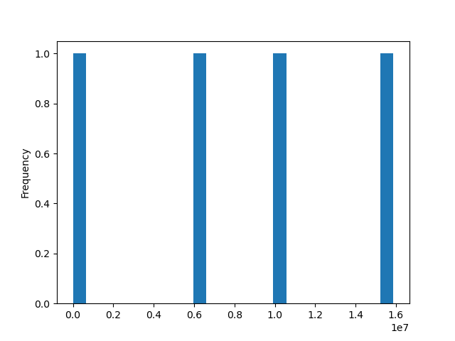
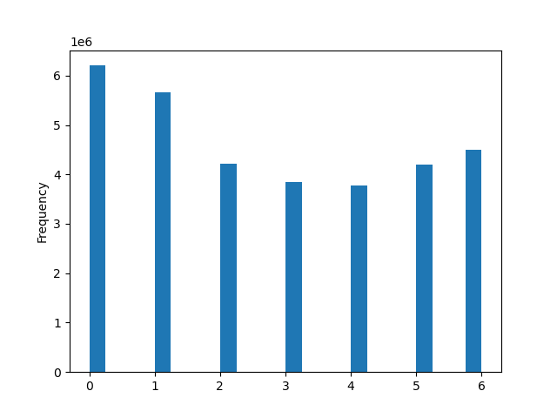

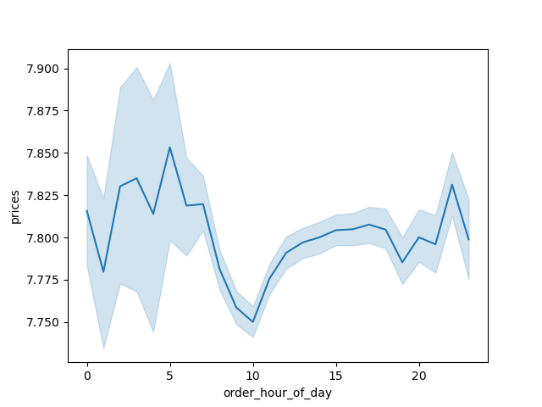
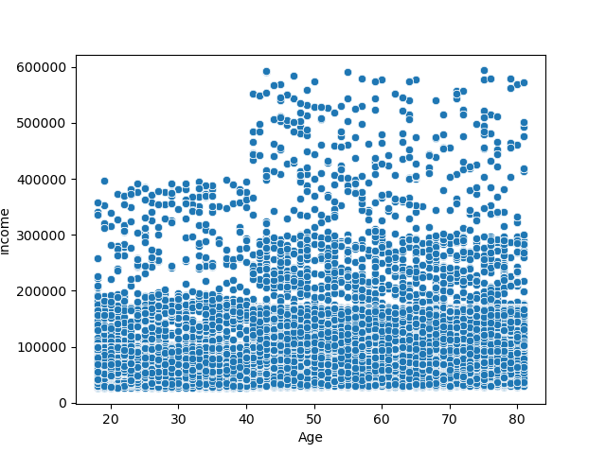
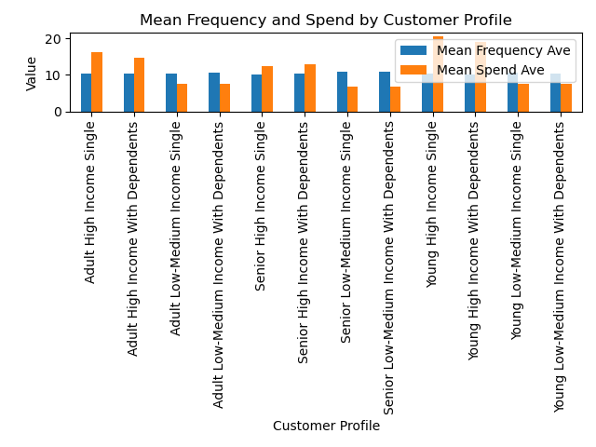
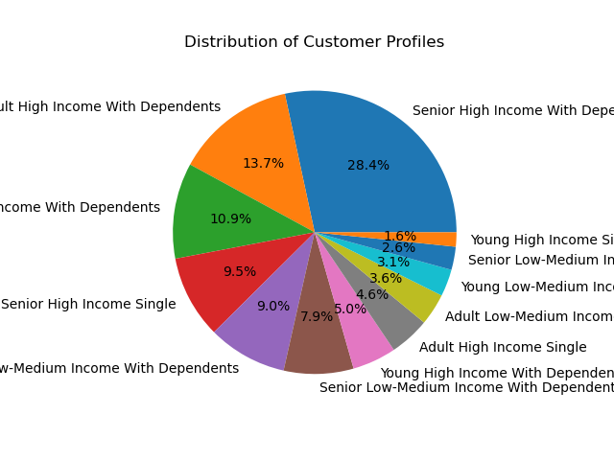
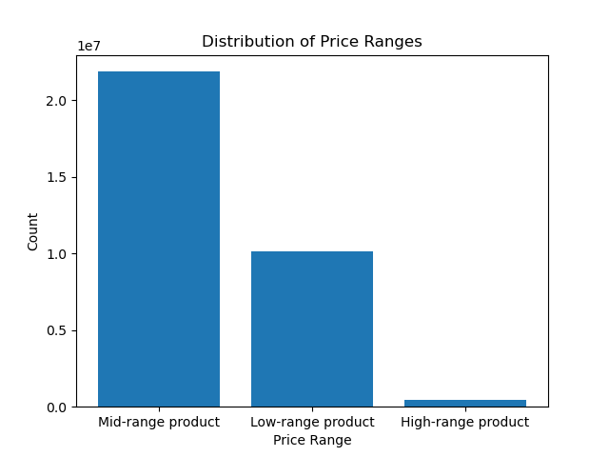
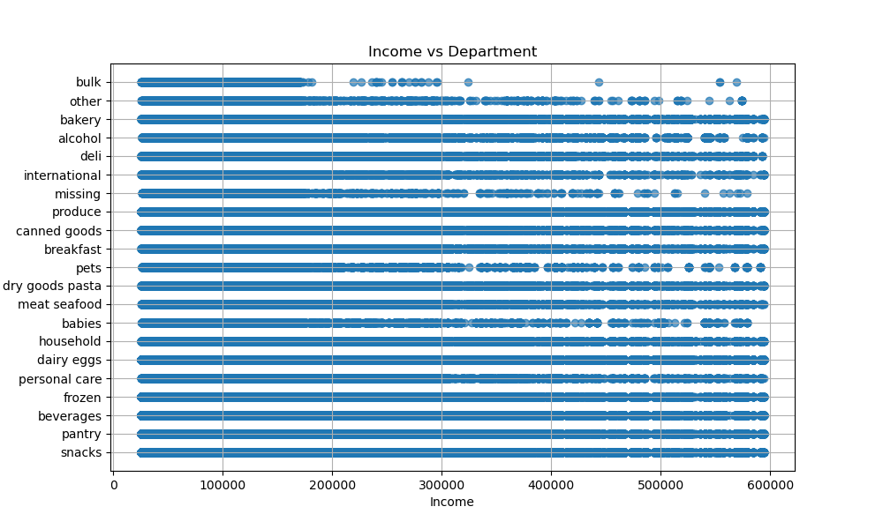
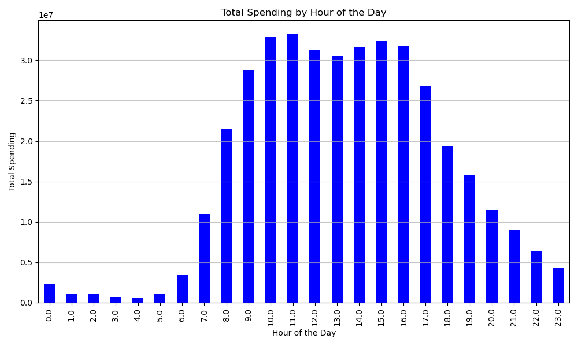
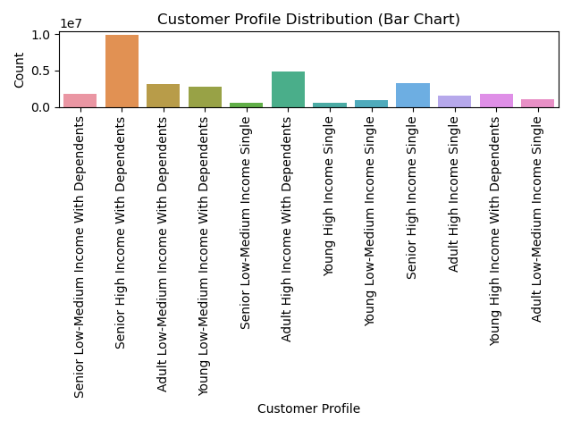
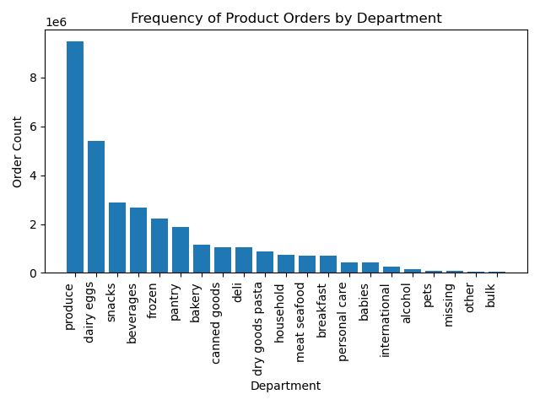
Title page

Visualisations

In this tab you should include all the visualtions from Exercises 4.9 and 4.10, alongside the questions from the project brief that they answer. Include any commentary on the relationship between different variables.

7. Recommendations
 |  | Title page

Recommendations

In this tab you should include any recommendations you would made to Instcart in terms of their marketing strategy based on the questions posed in the brief. Every key question has been covered in the Tasks of the Exercises - here you need to add an item - a visualisation or table/crosstable that is showing the answer in the data, acompanied by a comment from you. Please, list the questions below and add the answer underneath.

Question | Answer
1. The sales team needs to know what the busiest days of the week and hours of the day are (i.e., the days and times with the most orders) in order to schedule ads at times when there are fewer orders. | Busiest Days: Monday and Tuesday are the busiest days for orders, followed closely by Sunday. These days experience the highest order volumes throughout the week. Peak Hours: Peak order hours typically occur during the late afternoon and evening. Specifically, orders peak between 4 and 6 PM and again between 10 and 11 PM. Based on these insights, we recommend the following ad scheduling strategy: Days to Focus Advertising: Run ads prominently from Wednesday to Saturday. While Monday and Tuesday see high order volumes. Optimal Hourly Window: Schedule ads during off-peak hours, primarily between 10 AM and 9 PM. This ensures maximum visibility during times when order volumes are relatively lower, increasing the likelihood of ad engagement and conversion.
2. They also want to know whether there are particular times of the day when people spend the most money, as this might inform the type of products they advertise at these times. | Peak Spending Hours: Typically, the average spend amount is higher at the beginning of the day, particularly between 12 AM and 5 AM. This period marks the peak spending hours, with customers making relatively larger purchases during late-night and early-morning hours. Midday Dip: Following the early-morning peak, there is a slight decrease in average spend amount, reaching a low point around 10 AM. During this time, the average spend dips slightly before gradually recovering. Afternoon Recovery: Post the midday dip, the average spend gradually recovers, reaching a higher average after 2 PM. This suggests that customers tend to spend more as the day progresses, with spending picking up momentum in the afternoon. Negligible Difference: It is essential to note that while there are fluctuations in average spend throughout the day, the differences are minimal and almost negligible. The highest average spend observed is approximately $7.85, while the lowest is around $7.75. The variance between these averages is insignificant, indicating relatively consistent spending patterns across different times of the day. Based on these insights, it is evident that while there are fluctuations in average spend throughout the day, the differences are marginal. Implementing targeted strategies based on these variations may not yield significant impacts on overall spending behavior.
3. Instacart has a lot of products with different price tags. Marketing and sales want to use simpler price range groupings to help direct their efforts. | Mid-Range Dominance: The majority of products fall within the mid-range price category, with prices ranging between $5 and $15. This mid-range segment accounts for the largest portion of products in our dataset, indicating a broad range of offerings within this price bracket. Low-Range Segment: Following the mid-range category, there is a significant proportion of products categorized as low-range, priced below $5. While this segment constitutes a considerable portion of the dataset, it is surpassed by the mid-range category in terms of volume. High-Cost Items: Contrary to the mid and low-range segments, high-cost items priced above $15 represent only a fraction of the products. These high-cost items are less prevalent within our dataset, suggesting a narrower selection of premium-priced products. The distribution of products across these price categories provides valuable insights into consumer preferences and market dynamics. Understanding the dominance of mid-range offerings, supplemented by low-range options and a smaller selection of high-cost items, enables better strategic decision-making in product assortment and pricing strategies.
4. Are there certain types of products that are more popular than others? The marketing and sales teams want to know which departments have the highest frequency of product orders. | Produce Dominance: The most popular department among customers is 'Produce'. This department, which typically includes fruits, vegetables, and fresh produce, emerges as the top choice for shoppers, indicating a strong preference for fresh and healthy food options. Dairy and Eggs: Following closely behind 'Produce' is the 'Dairy and Eggs' department. This category encompasses a range of dairy products such as milk, cheese, and eggs. The popularity of this department suggests that dairy and egg products are essential staples for many shoppers. Snacks: Securing the third position in popularity is the 'Snacks' department. This category includes a diverse array of snack items such as chips, crackers, and other on-the-go munchies. The popularity of the 'Snacks' department underscores the significance of convenient and indulgent snack options for customers.
5. The marketing and sales teams are particularly interested in the different types of customers in their system and how their ordering behaviors differ. | Seniors with High Income and Dependents: The largest customer segment by far is comprised of seniors with high income and dependents. This demographic group represents double the size of the next largest segment. Seniors with high income and dependents typically have stable financial resources and require products and services to support both themselves and their dependents. Adults with High Income and Dependents: Following closely behind, the second-largest customer segment consists of adults with high income and dependents. This group also represents a substantial portion of our customer base. Adults in this category are likely to be in their prime earning years and have significant financial responsibilities, including supporting their dependents. Combined Share: Together, these two dominant customer segments account for over 40% of the total shopper base. Their significant representation underscores their importance in driving overall sales and demand for products and services.
 | Similar Frequency Across Groups: Upon examining frequency metrics across various customer groups, we observe that the frequency of purchases is relatively similar among all segments. This suggests a consistent level of engagement and activity across the customer base, regardless of demographic or income differences. High Spend Averages among High-Income Individuals: Despite similarities in purchase frequency, it becomes apparent that customer segments with the highest spending averages are consistently composed of high-income individuals. These segments exhibit a propensity for higher-value transactions, indicating greater purchasing power and a willingness to invest in premium products or services. These findings underscore the importance of targeting high-income individuals in marketing campaigns and product development efforts, as they represent significant opportunities for revenue growth and profitability.
 | Department Diversity Across Income Groups: Contrary to the expectation that higher income groups exclusively patronize specific departments, our findings suggest a diverse departmental selection across all income groups. Lower income groups are not restricted to a subset of departments but instead explore a wide range of offerings, indicating a desire for variety and value-conscious shopping behaviors. Distinctive Shopping Preferences of Higher Income Individuals: Interestingly, while lower income groups exhibit diversity in department selection, higher income individuals demonstrate distinctive shopping preferences. Our data indicates that higher income individuals are less inclined to purchase bulk items, as well as products from the baby and pet departments. This suggests a focus on quality over quantity and a preference for premium or specialized offerings rather than bulk or essential items.

